Introduction
 | 2018 FSAE Alternative Frame Rules Sample Frame
 | Released 23-Oct-2014
 | Excerpt from the Alternative Frame Rules
AF1 General Requirements
These alternative structural requirements are intended to provide teams an alternative approach to the existing rules. The goal of these alternative rules is to provide a simpler alternative for monocoque designs and provide expanded design freedom for space frames and monocoques alike. The intent is not to alter allowable structures but to change the requirement process for showing compliance with the rules.
Note: Generally SI units are used in these alternative frame rules with some dual references.
AF1.2 The AF Rules are considered a work in progress. As such, the Rules Committee and reviewers of the SRCF (below) may, at any time, amend and clarify these rules to maintain the spirit in which they were written and close any unintended loop holes.
AF1.3 These rules are recommended for existing teams who have experience designing, constructing and competition with vehicles in the past. There is no experience requirement.
AF1.4 Notice of Intent - Teams planning to build a vehicle to this alternative rule set for entry into a North American competition must notify the Rules Committee of their intent by the date specified in the action deadlines for the competition. Include a short paragraph detailing your team’s finite element capability and showing you can meet all analytical requirements specified in this Appendix. Your “Notice of Intent” must include the email addresses and phones numbers of the team members who can answer any questions the Committee may have about your proposal.
The notice of intent submission should also include a brief report analyzing the sample structures problem posted to the SAE website. Please include a brief text description of your analysis approach, what software you used, the element types, mesh quality and boundary conditions that were used in this analysis. The results provided will be used to assess the team’s capability to perform this type of structural analysis
AF1.5 The Rules Committee will remain in contact with teams using the AF rules to help them develop and document their frames and to give the Committee data and feedback that can be used to refine the AF rules.

 | Comment from the Rules Committee
 | This sample problem was created for teams to demonstrate their analysis capability because the AFR require significant analysis compared to the SES process.
 | Any missing information or problems with this document will be corrected and a revised version posted to fsaeonline.com

 | Additional Information:
 | 1) All units are inches
 | 2) Coordinate system is not necessarily the analysis coordinate system given in the rules
 | 3) Analysis may be performed in either US Customary (in-lb) or Metric (mm-N)
 | 4) All square tubes should have their top surface parallel to the ground plane
 | 5) This frame does not necessarily meet or exceed the standards given in the rules
 | 6) For each load case include deflection, Max Stress, Constraint reactions, buckling (eigenvalue or column), Safety Factor, and any other pertinent information
 | 7) The frame is Steel, properties can be found in the Main Rulebook (T3.4.1)
 | 8) Minimum bar element size should be small enough to characterize critical buckling failure modes
 | 9) Any teams who will be using composites should replace the front bay diagonal and side impact tubes with a composite panel.
 |  | a) The composite panel should properties dervired per rules T3.32.1 and T3.32.3:
 |  | b) Sample test data is supplied on the propery tab
 |  | c) Derived property must be documented in a SES
 |  | d) Mononocoque attachments must be documented in the SES per rules T3.40
 |  | e) Mononocoque and hybrid chassis require the submission of a SES in addition to the SRCF
 |  | f) Minimum shell element size should appropriate to characterize stress gradients.

Questions should be submitted throught fsaeonline for forwarding to the Rules Committee

Pictures
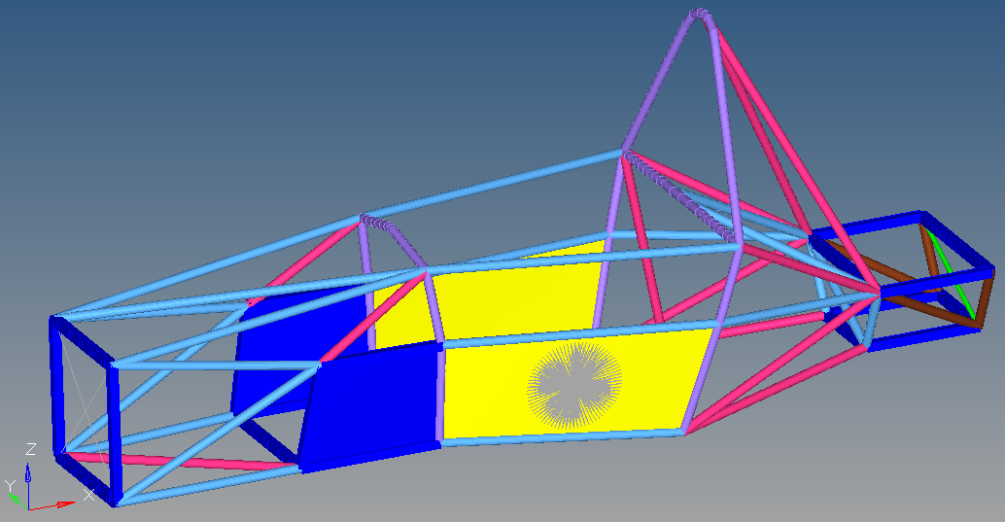
Frame Geometry

Frame Tube Sizes
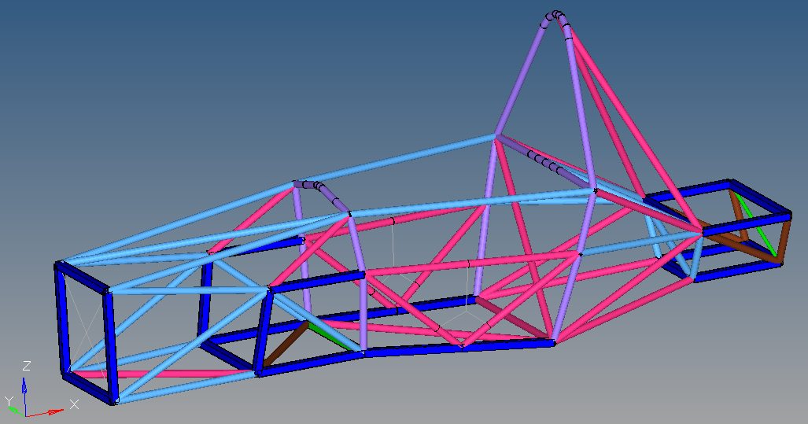

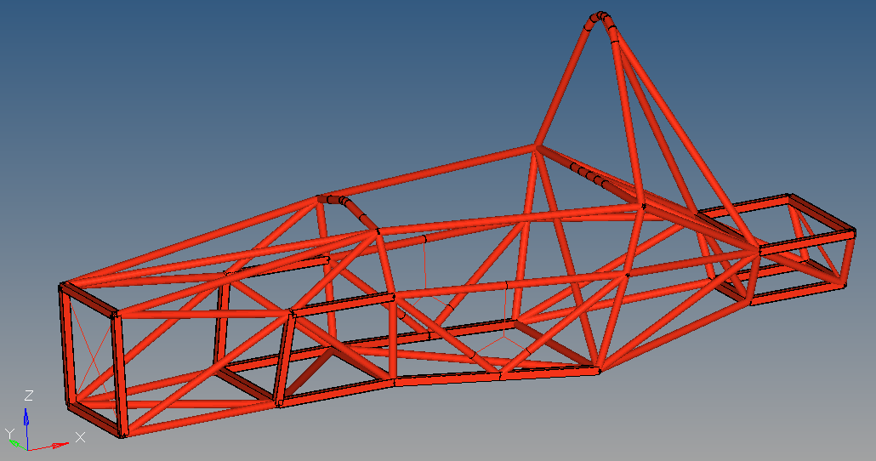

 | Teams using composites should replace these two tubes (on each side, four total) with a composite plate outlined in the Introduction.

